1. Overview
OVERVIEW OF APPROACH
Note on IDC and the related Expenditure/Commissioning bases
The capex forecasts are slightly different from the opex forecasts in that they have to include the capitalisation of Interest During Construction (IDC). Underlying capex cost models do not forecast IDC, because they do not forecast the difference between the timing of capital expenditure and the assets’ commissioning, although some models use actual input costs which implicitly include IDC. Capital expenditure is when the cost is incurred, whereas commissioning is when the asset in question is available for use. During the time between capital expenditure and commissioning the assets are held in Work in Progress (WIP).
Chorus adds IDC to asset values when they have been in WIP for 30 days and so we are able to approximate the effective rate of capitalised IDC by using the average time that assets spend in WIP. That average time spent in WIP is also used to calculate the difference between capital expenditure and commissioning.
We calculated the amount of time that assets spend in WIP for each cost subcategory by allocating the opening and closing WIP and annual capex to those categories. The average WIP balance divided by the annual capex gives the average fraction of a year that assets in each category spend in WIP. The number of days spent in WIP for each of the cost subcategories is also used as a simple time shift, to calculate the value of commissioned assets.
IDC of 4.0% (see note 1 in the 2023 financial statements) is added to assets in WIP after 30 days and so we are able to calculate the number of days that assets in each cost subcategory attract IDC. We can then calculate an effective IDC rate for each cost subcategory by using this period, together with the IDC recognised per subcategory.
CPI, RPE and FX adjustment
Opex and capex (incl. IDC) forecasts in calendar year 2022 (CY22) constant prices are used in RT02 (Cost escalation regulatory template) to calculate the forecast real prices changes (RPE) and general inflation (CPI). That model is also used to apply a last-minute, high-level adjustment to the forecasts to account for changes to the final forecast FX rates without having to change FX rates in individual underlying forecast cost models.

8. IDC rate and Inputs
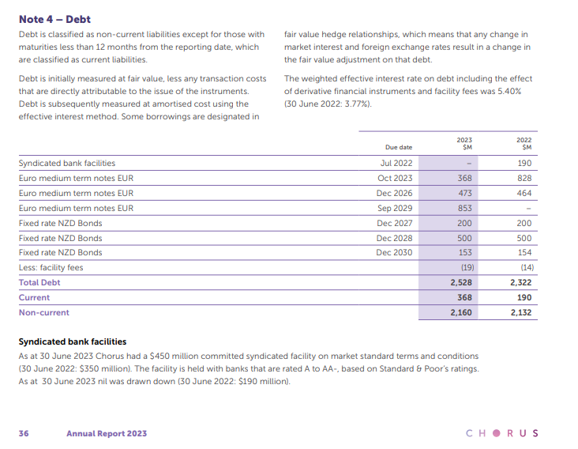
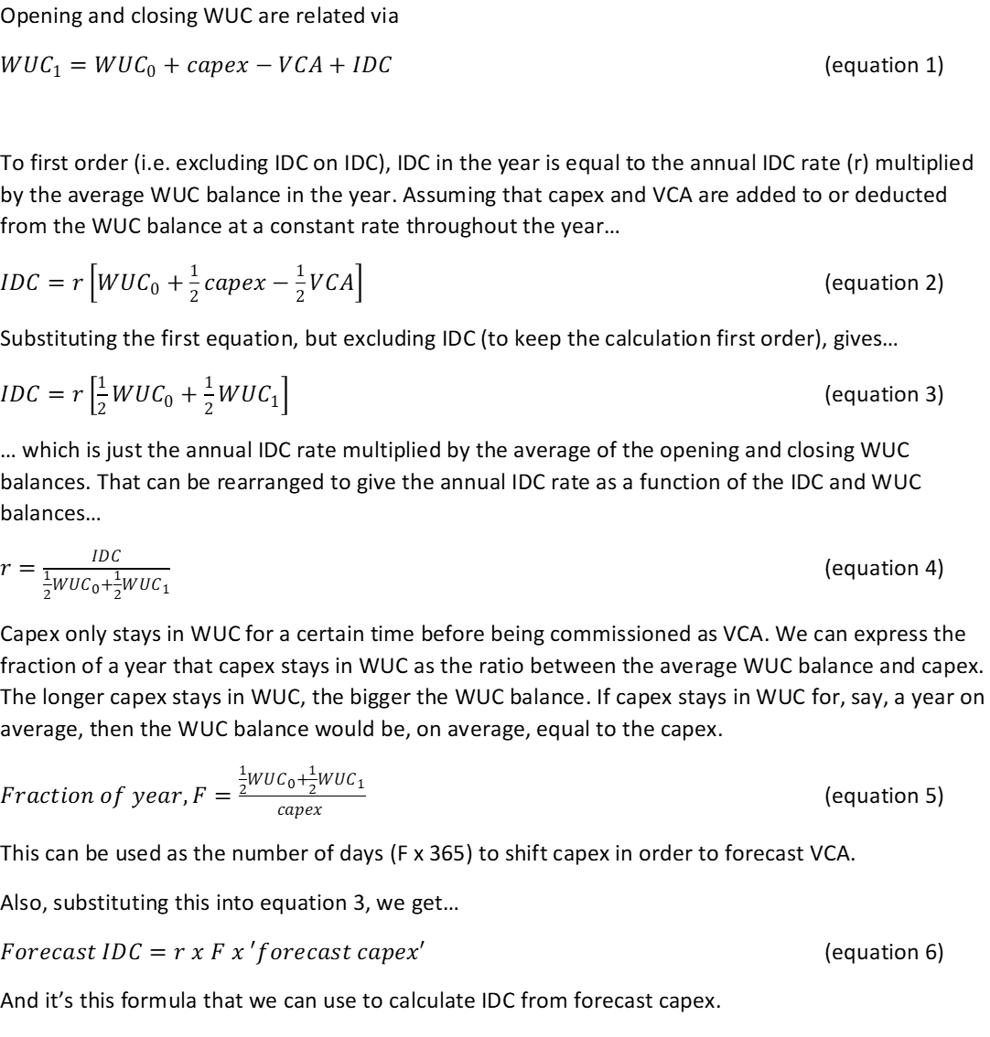
Capex - Sets out the calculation of the average number of days in WIP and the average effective IDC rate for each cost subcategory
Orange cells mean direct inputs

Source: 2022 actuals from Information Disclosure

TOTAL Capex ($m) |  | From … |  |  |  |  | average |  |  | WUC days-adjusted IDC rate to be applied to forecasts

Capex Categories and sub-categories |  | Opening WUC at 1/1/22 | Capex in 2022 | IDC added in 2022 | VCA in 2022 | Closing WUC at 31/12/22 | Days in WUC | Uncapped annual IDC rate | Capped annual IDC rate |  | Include? (Y/N) | check WUC
Extending the Network | Augmentation | 2.1 | 4.9 | - | -5.8 | 1.2 | 124 | - | - | - | Y | -
Extending the Network | New Property Developments | 19.0 | 55.4 | - | -53.0 | 21.4 | 133 | - | - | - | Y | -
Extending the Network | UFB Communal | 36.6 | 34.7 | 0.5 | -69.9 | 2.0 | 203 | 2.77% | 2.77% | - | N | 0.00
Installations | Complex Installations | 1.0 | 5.5 | - | -4.8 | 1.8 | 93 | - | - | - | Y | -
Installations | Standard Installations | 14.5 | 166.4 | 0.0 | -169.1 | 11.7 | 29 | 0.09% | 0.09% | 0.01% | Y | -
IT and Support | Business IT | 3.5 | 12.0 | 0.1 | -8.5 | 7.3 | 164 | 2.60% | 2.60% | - | N | -
IT and Support | Corporate | 0.2 | 3.6 | 0.0 | -3.7 | 0.0 | 11 | 10.42% | 10.42% | - | N | 0.00
IT and Support | Network & Customer IT | 4.2 | 24.4 | 0.2 | -18.0 | 10.8 | 112 | 2.28% | 2.28% | - | N | -
Network Capacity | Access | 1.5 | 18.7 | 0.0 | -19.2 | 1.0 | 25 | 0.25% | 0.25% | 0.02% | Y | (0.00)
Network Capacity | Aggregation | 1.0 | 19.1 | 0.0 | -9.9 | 10.2 | 107 | 0.33% | 0.33% | 0.10% | Y | -
Network Capacity | Transport | 1.6 | 11.2 | 0.0 | -4.1 | 8.8 | 169 | 0.37% | 0.37% | 0.17% | Y | -
Network Sustain and Enhance | Field Sustain | 3.3 | 11.4 | 0.0 | -7.7 | 7.0 | 165 | 0.00% | 0.00% | 0.00% | Y | -
Network Sustain and Enhance | Relocations | 9.6 | 6.1 | - | -6.9 | 8.8 | 365 | - | - | - | Y | -
Network Sustain and Enhance | Resilience | 33.6 | 11.5 | 0.0 | -27.9 | 17.1 | 365 | 0.00% | 0.00% | 0.00% | Y | -
Network Sustain and Enhance | Site Sustain | 1.7 | 13.7 | 0.0 | -13.1 | 2.2 | 52 | 0.00% | 0.00% | 0.00% | Y | -

 |  | 133.4 | 398.7 | 0.9 | -421.5 | 111.4 | 112

Aggregate effective IDC rate |  |  |  | 0.74%
IDC cap scaling required, if any |  |  |  | 100.00%

Other inputs
Days in the year |  |  |  |  |  |  | 365
IDC rate, capped per IM 2.2.13(4)(b) (note 4 page 36 Annual Report 2023) |  |  |  |  |  |  | 5.40%

IDC rate as per following extract from Chorus' annual report:

