Description
Description
 | This model has been prepared and published for consultation purposes only.

General description
 | This model calculates the values used in the WACC waterfall diagram in the draft 2019 EDB DPP Reset Reasons Paper.

Source of data
 | 2014 EDB DPP WACC
 | Cost of capital determination - EDB - [2014] NZCC 28
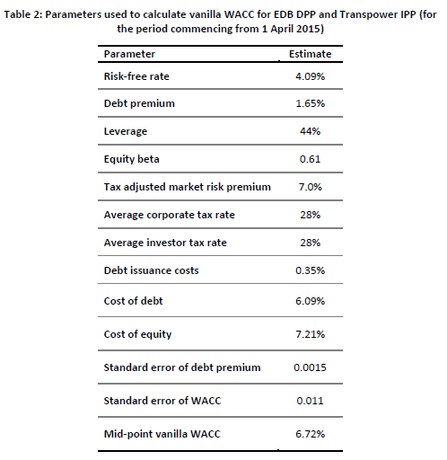

 | 2019 EDB ID WACC

 | 2019 EDB DPP WACC
 | Cost of capital determination – EDB – [2019] NZCC 12

Model suite
 | See file ‘Model map – EDB DPP3 updated draft – 25 September 2019’ for diagram of model suite.

