TSO boundary
TSO Boundary Implementation

Last Updated: 4 August 2015
Description:

Illustration of TSO boundary implementation | END OF SHEET

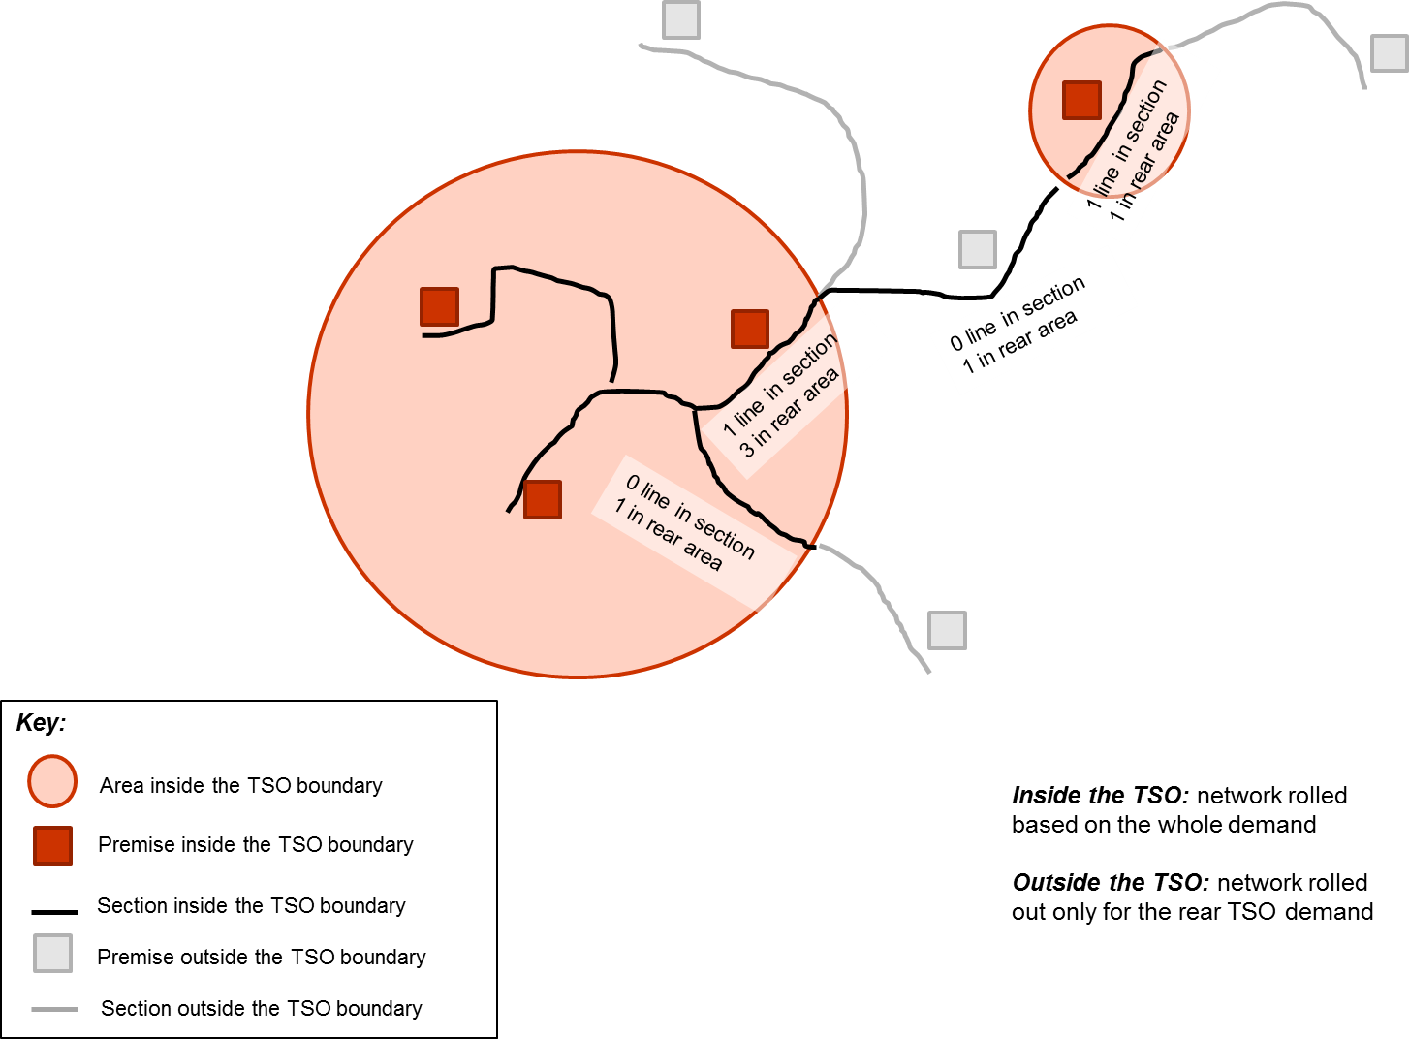

TSO boundary query in Access model

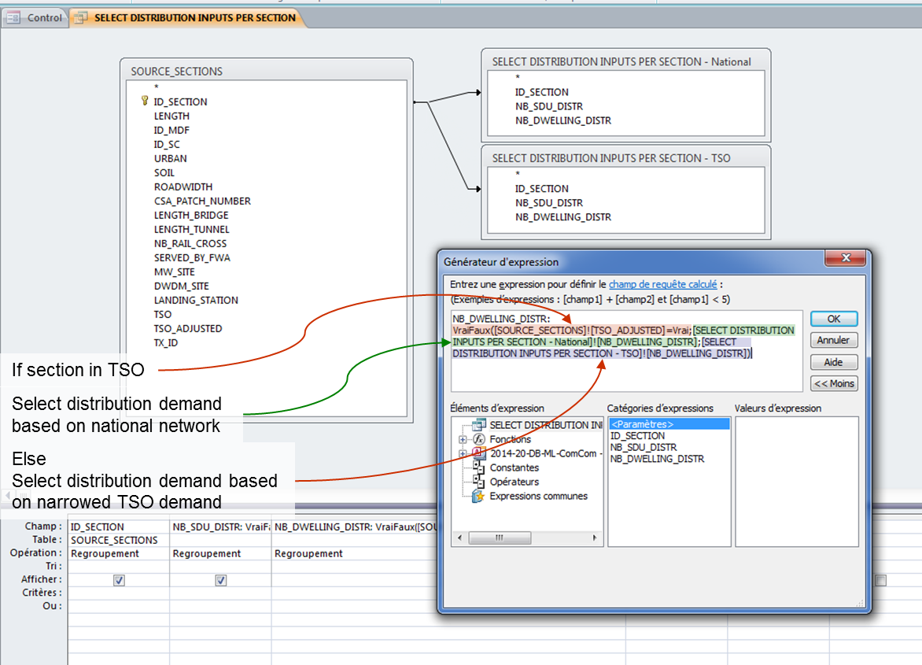

END OF SHEET | END OF SHEET

