CoverSheet
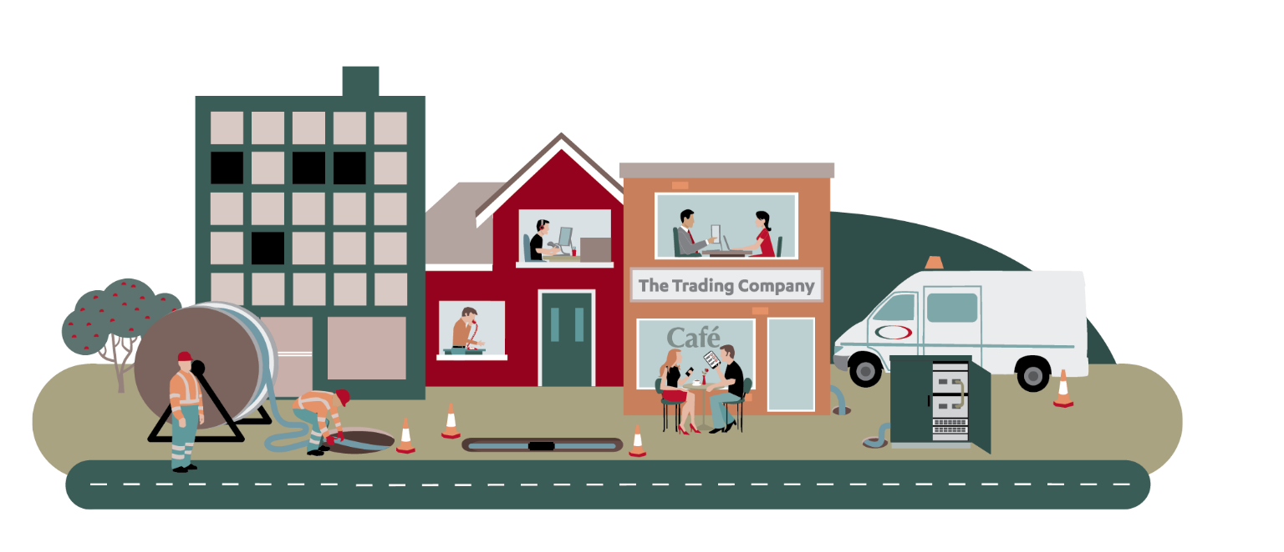
Chorus Fibre Price-Quality Regulation
Price-quality path from 1 January 2025 - 31 December 2028 (PQP2)
Demonstration Model

18-Jul-24

Description
Description
This Excel workbook is a simplified version of Chorus' Building Block Model for the second price-quality period (PQP2).
 | General description
 | 1 | This model demonstrates the calculation of the building blocks revenue for Chorus' PQP draft decision.
 | 2 | Tilted depreciation has been applied to a subset of the core fibre assets in order to backload depreciation. The rest of the core fibre asset use straight-line depreciation under GAAP.
 |  | The effect of changing from straight-line to the tilted depreciation is labelled as "adjustments due to different depreciation method" in this model.
 |  | This model assumes this change in depreciation method does not affect tax depreciation.

 | High level calculation steps
 |  | Schematically, the key building blocks are calculated as per below:
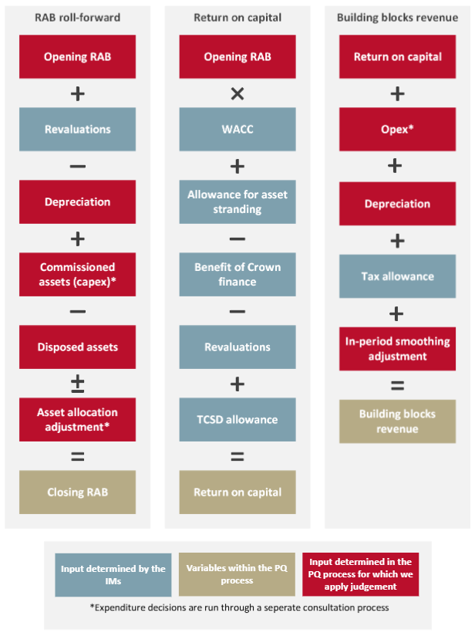

 |  | A high level description of the function of each sheet:
 | 1 | Asset calculates the roll-forward of asset base (left column of above chart), with the adjustments due to change in depreciation method,
 |  | and asset stranding allowances (element in the middle column of above chart).
 | 2 | Financing calculates the Crown Financing allowances, and the notional deductible interest (elements from middle column of the above chart)
 | 3 | Calc includes the return on capital (middle column of above chart) and the Building blocks revenue calculations (right column of above chart) without revenue smoothing.
 | 4 | Outputs calculates the revenue smoothing, the total revenue requirement, and provides an additional summary of the building blocks.

 | Inputs
 |  | Inputs are entered into the Inputs sheet, and comprise:
 | 1 | Regulatory inputs, including the dates and the weighted average cost of capital (WACC) values.
 | 2 | Chorus specific inputs, including opening value of regulatory asset base (RAB), Crown Financing balances and other Chorus financial data.
 | 3 | Also includes adjustments to assets due to changes in depreciation method.

 | Outputs
 | 1 | The building blocks revenue components and forecast allowable revenue.
 | 2 | The smoothed maximum allowable revenue.

 | Note
 | 1 | Financial quantities in this model are expressed in nominal terms.
 | 2 | Annual quantities relate to years ending on 31 December.
 | 3 | A lighter font is used for cells containing links to another sheet, a red fond is applied to input cells.
 | 4 | This model should not be used for purposes other than those stated under 'general description' above.

