Description
Description
 | This model has been prepared and published for consultation purposes only.

General description
 | This model calculates the values used in the WACC waterfall diagram in the draft 2019 EDB DPP Reset Reasons Paper.

Source of data
 | 2014 EDB DPP WACC
 | Cost of capital determination - EDB - [2014] NZCC 28
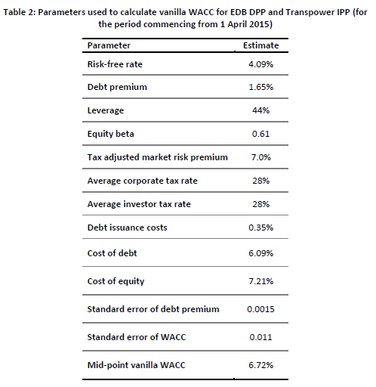

 | 2019 EDB ID WACC

 | Cost of capital determination – EDB – [2019] NZCC 7
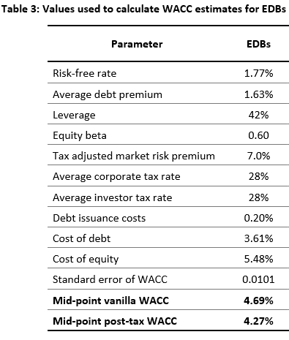

Model suite
 | Data flow map of the draft EDB DPP3 (1 April 2020–31 March 2025) model suite

