Overview
Overview of the Aurora Energy CPP Model Suite
An overview of the Aurora Energy CPP Model (the CPP Model Suite) is provided on this worksheet

Overview

Aurora Energy Limited (Aurora Energy) has identified a programme of work required to renew ageing infrastructure and to support accelerating residential and commercial development in the Queenstown Lakes District. Funding this expenditure is the purpose of the proposed CPP application.

Over the forecast period, Aurora plans to make investments in the network to improve reliability and prepare for the future. The proposed expenditure has been developed to address six key aspects: safety, reliability, growth, resilience, future technology and customer service.

Under the proposed plan, Aurora Energy would invest in replacing and upgrading ageing equipment on the network. Major areas of spend would be on poles, cross arms, overhead lines and underground cables, protection systems and zone substation transformers.

The purpose of this workbook (the Supporting Model - Other) is to calculate inputs required in the CPP Financial Model.

Figure 1 provides an illustrative overview of the CPP Model Suite.

Figure 1: Aurora Energy CPP Model Suite

Structure of this model > Supporting Model - Other

Figure 2 provides an illustrative overview of the structure of the Supporting Model - Other.

Figure 2: Model structure
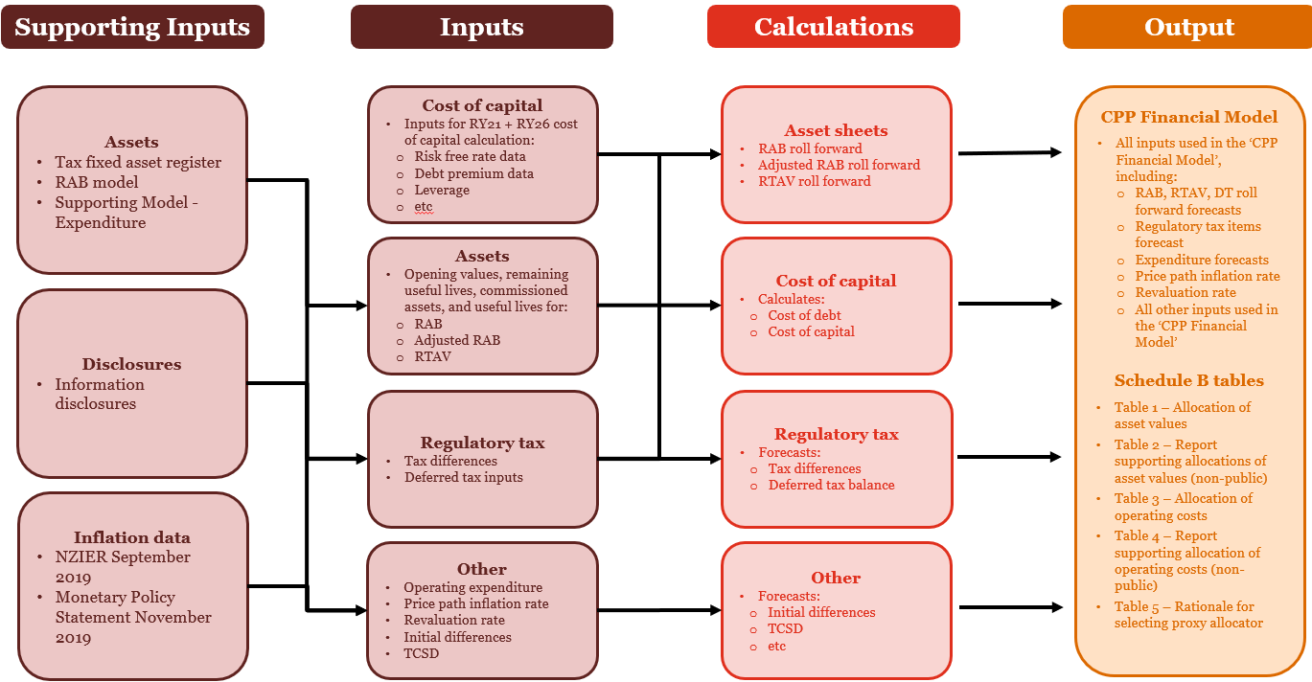

Calculations

The 'Supporting Model - Other' workbook is used to calculate inputs for the CPP Financial Model, including: - RAB, RTAV + deferred tax roll forwards - Regulatory tax calculations - Cost of capital.

Inputs

Input model | Description
Information Disclosures | Aurora's information disclosures RY15-RY19
RAB model | Aurora's historical and forecast RAB model, covers the period RY10-RY30.
RTAV model | Summary of Aurora's regulatory tax asset base.
3. Supporting Model - Expenditure | Historical and forecast expendiutre data is sourced from the 'Supporting Model - Expenditure' workbook. Further detail on the sources of inputs is provided in that workbook.
CPI Model (DPP3 Final Decision) | The model used to calculate CPI for DPP3 final decision. Sourced from the Commerce Commission's website. Workbook titled 'CPI-model-EDB-DPP3-final-determination-27-November-2019.xlsx'.

Definitions

Term | Definition
CPP Model Suite | Refers to the suite of workbooks used to calculate the BBAR and MAR for the CPP regulatory period. The CPP Model Suite consists of three models (described below): - CPP Financial Model - Supporting Model - Other - Supporting Model - Expenditure.
CPP Financial Model | The CPP Financial Model is used to calculate the BBAR and the MAR for the CPP regulatory period.
Supporting Model - Other | The 'Supporting Model - Other' workbook is used to calculate inputs for the CPP Financial Model, including: - RAB, RTAV + deferred tax roll forwards - Regulatory tax calculations - Cost of capital.
Supporting Model - Expenditure | The 'Supporting Model - Expenditure' workbook takes historical and forecast capital and operating expenditure by project and re-organises the data into CPP expenditure and asset categories for asset roll forwards, price path calculations and various output tables for the CPP proposal. The workbook also includes the Schedule E tables.

Shading

Colour | Interpretation
 | Identifies input cells (ie where values are sourced from another workbook within the CPP Model Suite or from an external source)
Spare 1 | Identifies cells where labels can be entered. These labels then flow through the rest of the model.

