Description
Description

Purpose
 | The Model 2 — CPRG workbook calculates the WACC waterfall diagramme for the final 2017 Gas DPP Reset Reasons Paper.
Source of data
 | 2012 WACC
 | Cost of capital determination - GPB DPP – 20 December 2012 [2012] NZCC 38
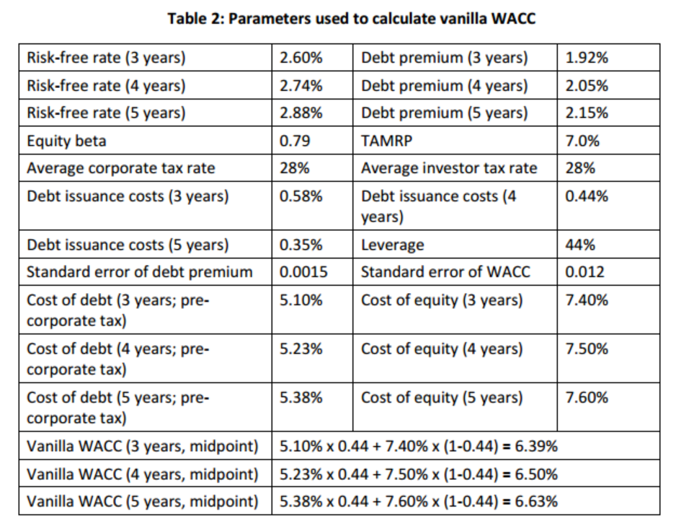

 | 2017 WACC
 | Cost of capital determination – GPB DPP – 24 May 2017 [2017] NZCC 13
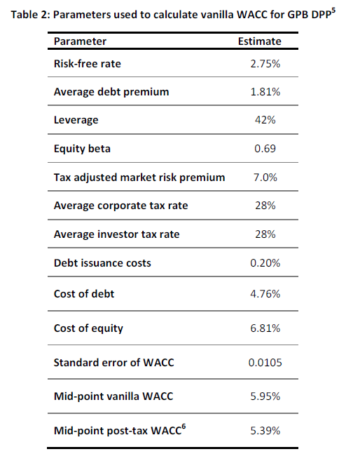

2017 Gas DPP suite of models

