Cover sheet


New Zealand Commerce Commission:
Wholesale Bitstream Access Questionnaire
Raw Data

Important note:
The Commission used the questionnaire information gathered from national regulatory authorities (NRAs) as the starting point for our benchmarking exercise. While this information helped inform our draft determination, further information was collected by internal Commission research, ongoing correspondence with NRAs, and advice from WIK Consult.

Definitions
QUESTIONNAIRE DEFINITIONS

Section I
Wholesale Bitstream Access service | This is a wholesale xDSL service that enables access to, and interconnection with that part of the operators fixed Public Data Network (PDN) that connects the end-user’s building to the incumbent's first data switch (or equivalent facility).
Unbundled local loop | This includes full loop and sub loop unbundled services which connection an end user to the exchange or distribution cabinet
Full loop unbundling | Unbundling of the copper local loop between the local telephone exchange and the end user's premises. The access seeker rents the entire copper local loop (i.e. both the low frequency and high frequency bands of the copper).
Sub loop unbundling | Unbundling of the copper local loop between a distribution cabinet and the end user's premises.
Market definition | Provide the boundaries of the relevant market considered for WBA services.

Section II
Differences between output and regulated prices | Any adjustments made to the output tariffs obtained from the cost model and the actual regulated tariffs
fibre to the node/cabinet | Fibre to the node or cabinet shortens the local loop to the end user by providing a aggregated fibre backhaul link from the node/cabinet.
Copper or fibre modelled | Input costs for the full loop or sub loop unbundling service used to suppliy the WBA service the can be modelled using copper or fibre technology.
ATM or ethernet modelled | The input costs for providing the WBA service can be modelled using ATM or Ethernet technology.

Section III
Location of handover | Diagram 1: Handover points for Wholesale Bitstream Access services
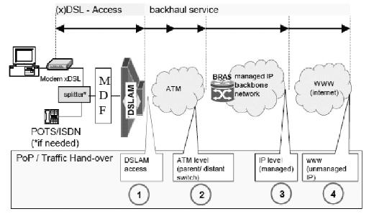

Traffic parameters | Fixed traffic constraints which differentiate the service. Commom traffic parameters are peak bit rate, sustained bit rate, and minimum bit rate.
Quality of Service parameters | Fixed quality of service constraints which differentiate the service. Common quality of service ommom parameters are latency, jitter and packet loss.
Aggregated bandwidth | The port capacity at the handover point.
B-RAS | A broadband remote access server
Guaranteed throughput | The average minimum uplink and downlink throughput that an end user recieves during any set period on demand.
POTS | Plain old telephone service based on the public switch telephone system.

Section IV
Connection tariff | The one-off tariff for a new service including connection, wiring and modem costs. Exclude any discounts for bulk connections
Monthly WBA tariff | The recurring monthly tariff for an active connection
Effective date of tariff | The date from which the WBA tariff's apply
Relationship between full loop tariff and WBA tariff | The relationship between full loop and WBA service in considering consistency between regulated tariffs, price squeeze tests and ladder of investment

