Vertical length
Vertical length

Last Updated: 14 January 2015

Additional data relevant to question 39 | END OF SHEET

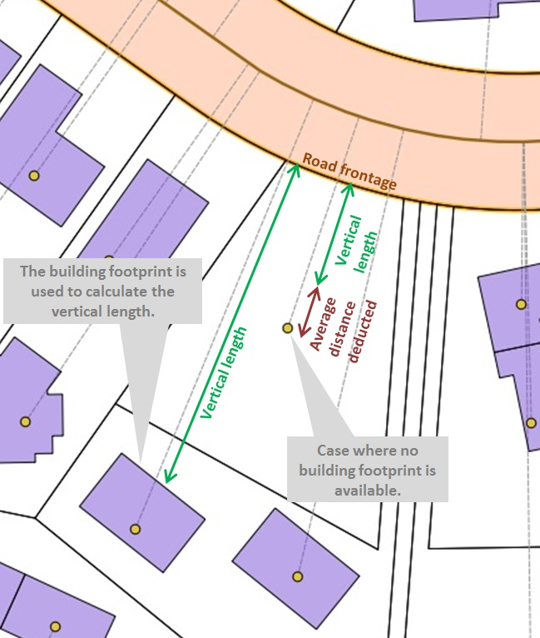

END OF SHEET | END OF SHEET

